A few Test - cases
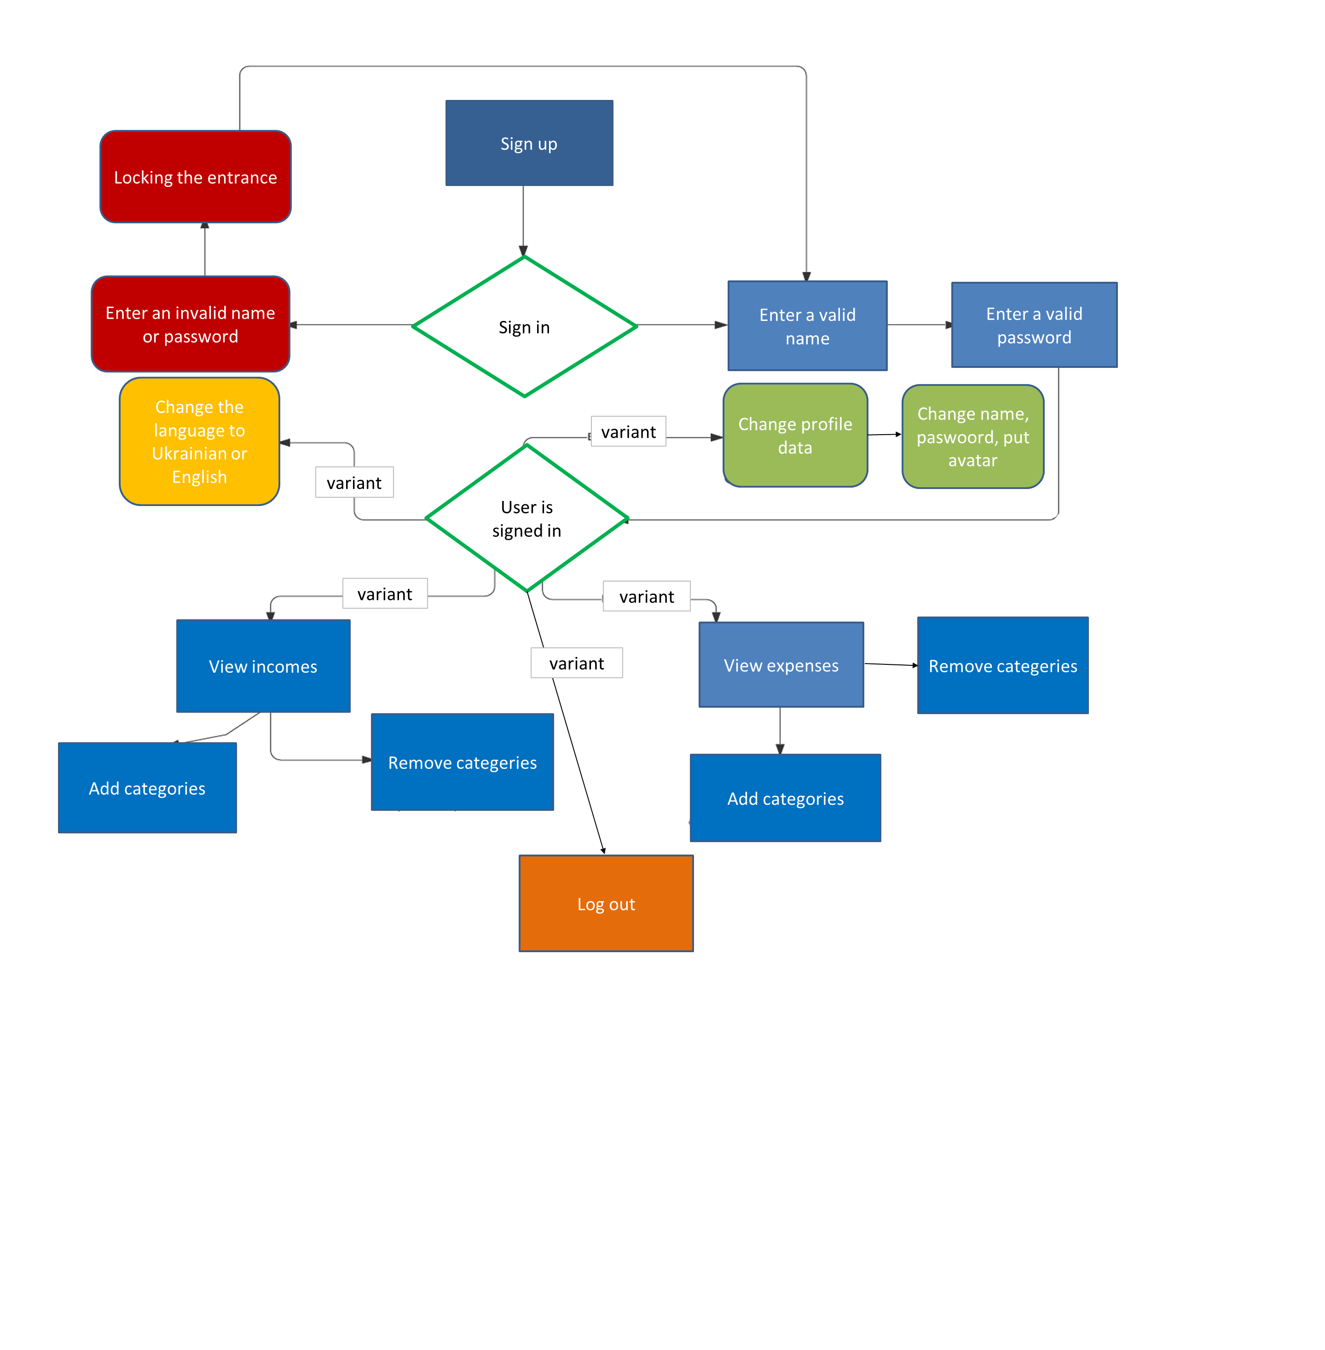
C1: Log in a Webmail
TypeFunctional | PriorityHigh | Estimate 15 minutes | ReferencesNone
Automation TypeNone
Preconditions
Two working devices
Steps
 | Step | Expected Result
1 | Click the button "Webmail" | User can see the page with fields to fill in: user name and password
2 | Leave the fields empty | Error, "Please fill out this field"
3 | Leave the field "Name" empty and fill in "Password" | Error, "Please fill out this field"
4 | Fill in the field "Name" and leave empty "Password" | Error, "Please fill out this field"
5 | Enter 55555 in the field "Name" | Error, "This field can contain only letters"
6 | Enter 55555 in the field "Password" | Error, "This password is not safety"
7 | Enter valid data in the field "Name" and invalid data in the field "Password" | Error, "Failed login"
8 | Enter invalid data in the field "Name" and valid data in the field "Password" | Error, "Failed login "

For this test-case we can use test design technique decision-making table

C2: Log in a Webmail
Coditions | 1 | 2 | 3 | 4 | 5 | 6 | 7 | 8
Valid name | 1 | 1 | 1 | 1 | 0 | 0 | 0 | 0
Valid password | 1 | 0 | 1 | 0 | 0 | 1 | 0 | 1
Not valid name | 0 | 0 | 0 | 0 | 1 | 1 | 1 | 1
Not valid password | 0 | 1 | 0 | 1 | 1 | 0 | 1 | 0
Action
Successfully registration | 1 | 0 | 0 | 0 | 0 | 0 | 0 | 0
Failed registration | 0 | 1 | 1 | 1 | 1 | 1 | 1 | 1

For this test-case we can also use test design technique State-transition diagram

Sign up
Fill in Name and Password
 |  | Press "Sign in"
Open website

1st
try
2nd
try
3rd
try
4rd
try
...........
try
 |  |  |  | Name and Password |  | Name or Password |  | Name or Password |  | Name or Password
 |  | Open browser
Start

Profile is created
 |  |  |  |  |  | Name and Password |  | Name and Password | Name and Password |  | Name and Password
 |  |  |  |  | Name and Password

For this test-case we can also use test design technique use-case diagram

